Sheet1
2017 Cellcom Marathon Shuttle Schedule For Pick-Ups
 | Name of Hotel | Address* | Distance to Lambeau | Shuttle Pick up | Second Shuttle Loads | `
 | Wingate Inn | 2065 Airport Dr. | 5 miles | 5:50:00 | 6:00:00
 | Aloft | 465 Pilgrim Way | 2.6 miles | 5:50:00 | 6:00:00
 | Bay Motel | 1301 S. Military Ave. | 1.2 miles | 5:50:00 | 6:00:00
 | Baymont Inn & Suites | 2840 S. Oneida St. | 2 miles | 5:50:00 | 6:00:00
 | Country Inn & Suites East | 850 Kepler Dr. | 10.3 miles | 5:50:00 | 6:00:00
 | Country Inn & Suites Stadium | 2945 Allied St. | 2.9 miles | 5:50:00 | 6:00:00
 | Hampton Inn | 2840 Ramada Way | 2.5 miles | 5:50:00 | 6:00:00
 | Hampton Inn Downtown | 201 Main St. | 3.4 miles | 5:50:00 | 6:00:00
 | Hyatt Regency | 333 Main St. | 3.4 miles | 5:50:00 | 6:00:00
 | Radisson Hotel | 2040 Airport Dr. | 5 miles | 5:50:00 | 6:00:00
 | Ramada Plaza Hotel | 2750 Ramada Way | 1.9 miles | 5:50:00 | 6:00:00
 | Sleep Inn & Suites | 1600 Lawrence Dr. (De Pere) | 7.2 miles | 5:50:00 | 6:00:00
 | Tundra Lodge Resort | 865 Lombardi Ave. | < 1 mile | 5:50:00 | 6:00:00

 |  | * all are Green Bay, unless noted

 | Shuttles drop off and pick up from Armed Forces Drive across from Lambeau Field. Return shuttles begin at 10 A.M. and depart hourly with last departure at 2 P.M. | 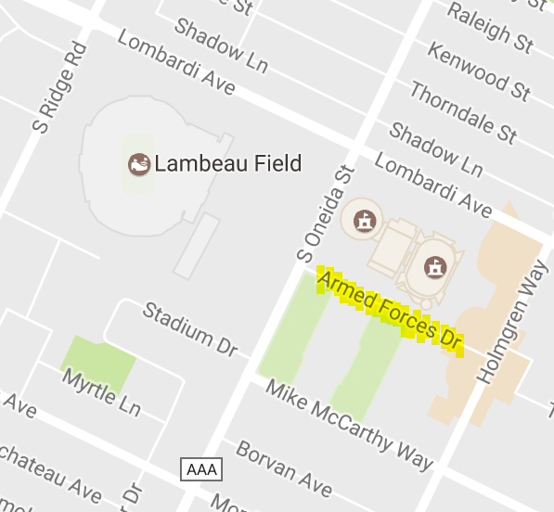 0

